Curriculum Structure
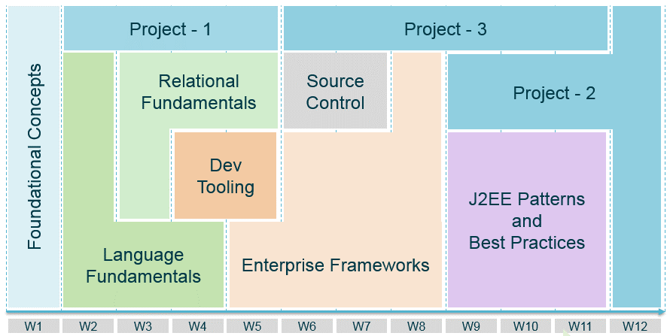

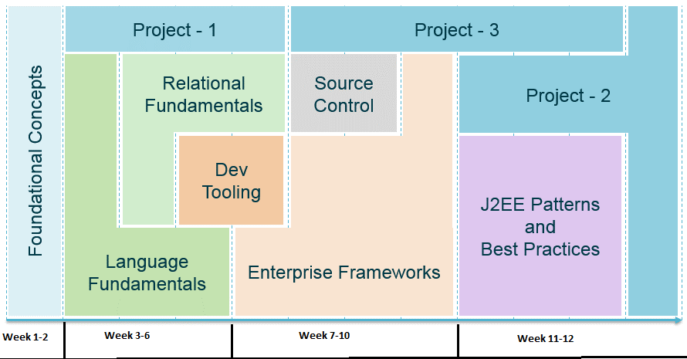

No of Weeks <Technical> | 12
Total No of Days | 72 | Considering 6 days a week
Total No of Hours | 576
Theory (Hours) | 193 | 34%
Hands-on & Project (Hours) | 361 | 63%
Assessments(Hours) & LeaderShip Connect Hours | 22

No of Weeks <Oraganizational Mandate & Behavioural> | 1

Total Duration of the Program in Weeks | 13

